Welcome
 | Welcome to your Free Trial of Analytic Solver - our tools for Optimization, Simulation/Risk Analysis, and Data Mining. Here are a few tips to help you get started:

1. Look for the Add-Ins, Analytic Solver and Data Mining Tabs on the Ribbon above:

 |  |  |  |  | Excel 2013/2016/2019

The Analytic Solver tab provides a new Ribbon for optimization, simulation, decision trees and sensitivity analysis, plus a Task Pane showing your optimization or simulation model. The Data Mining tab provides a new Ribbon for data visualization, time series forecasting, data mining and text mining.

The Add-Ins tab contains a Premium Solver button which displays a Solver Parameters dialog similar to the basic Excel Solver we developed for Microsoft. Changes you make here are reflected in the Analytic Solver Task Pane, and vice versa.

2. Start with a free trial of Analytic Solver, which includes everything in optimization, simulation, and data mining.
You can get complete model and solution information for all sized models. Open the License Center (License button) to purchase a license for Analytic Solver Upgrade, or our Optimization, Simulation, or Data Mining full versions - pay for only what you need. Analytic Solver Comprehensive includes full versions of everything, and plug-in large-scale Solver Engines extend optimization to handle up to millions of variables. Click the Product Guide tab to run the Product Selection Wizard to help you decide which version is best for you.

3. When building your model, try the Distribution Wizard (for simulation, click the Distributions button) or Constraint Wizard (optimization).
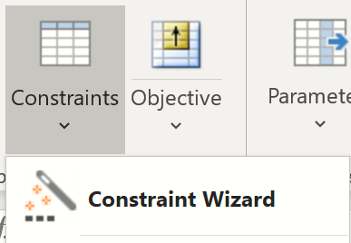

4. Get started with our short guides: |  |  | Quick Start Guide | Excel Solver Upgrade Guide
Learn to use the Ribbon and Task Pane interface, get Help, deal with licensing, and build your first model.
If you’re upgrading from the Solver included in Microsoft Excel, the Excel Solver Upgrade Guide can help.

5. Explore other resources in the Help Center on the Analytic Solver Help.
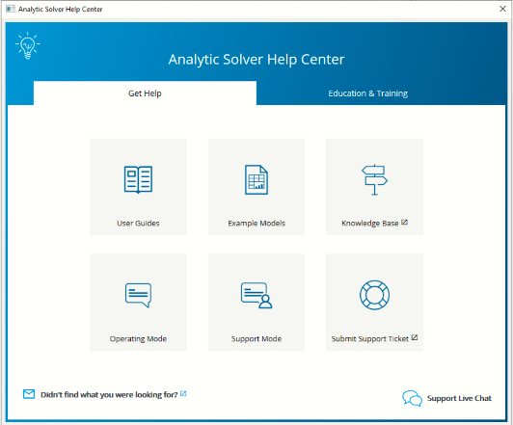

6. Call us with any questions. We're here to help:
We’re happy to explain the features and benefits of our solvers, help ensure you get the right one for your needs, or even connect you with services we offer to assist in building and deploying models. You can

reach us at: | sales@solver.com | or at +1 (775) 831-0300.

Sheet1
Blacksburg National Bank - Investment

 |  |  |  | Short or Long ? |  | High or Low?
Bond | Amount Invested | Annual Return | Maturity | (1-yes, 0-no) | Risk | (1-yes, 0-no) | Tax-Free | 1-Yes, 0-No
A | $20,339 | 9.50% | Long | 0 | High | 1 | Yes | 1
B | $20,339 | 8.00% | Short | 1 | Low | 0 | Yes | 1
C | $29,661 | 9.00% | Long | 0 | Low | 0 | No | 0
D | $0 | 9.00% | Long | 0 | High | 1 | Yes | 1
E | $29,661 | 9.00% | Short | 1 | High | 1 | No | 0
Total Invested: | $100,000
Total Available: | $100,000

 | Total Annual Return: | 8898.3050847
 | 40% of total annual return: | 3559.3220339 | Short-term issues Investment: | $50,000 | High-risk issues Investment: | 50000 | Tax-Free Investment: | 40677.966102
 |  |  | Minimum Short-term investment: | $50,000.0 | Maximum high-risk investment: | $50,000.0 | Minimum tax-free investment: | $30,000.0
 |  |  |  |  |  |  | Tax Free Annual Return: | 3559.3220339

Notes

